Sheet1
 |  | Document No. | Issue No. | Issue Date |  | Review and Replace Date |  |  | Authorised By
 |  | GFF011MC | 3 | 23.09.2018 |  | 09.12.2021 |  |  | Magda Shah
 |  | Document Title | Keralan Masala Fried Chicken - Deli Counter
Document amendments reason for change |  | Film Updated |  |  | Page 1 of 1 |  | Previous Issue Date | 22.11.2019 | Uncontrolled copy unless signed original

CCKERF-B1TEB | BOOTHS - DELI |  | KERALAN MASALA FRIED CHICKEN 1000g
STEP 1 |  |  |  |  | STEP 2
 |  |  |  |  | 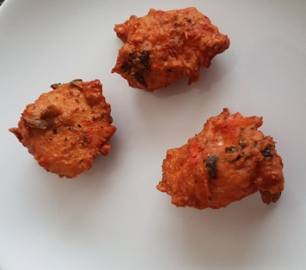

Tray: H3H 50 - CLEAR (PKNUT001-07) |  |  |  |  | KERALAN MASALA FRIED CHICKEN (GFF218R) 1000g
Film: PP340 AF 340mmx500m (PKPRO001-15)
STEP 3
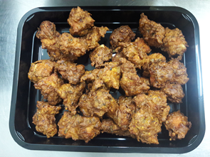 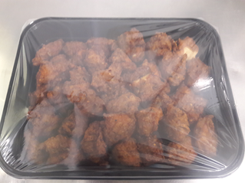

TOTAL WEIGHT: 1000g

ALLERGY ALERT: NONE

